Cover Page
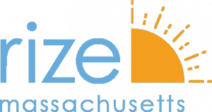

Commonwealth Medicine

Recovery Coach Impact Estimator

(Enter Project Title Here)

(Enter State Here)

(Enter Year Here)

(Enter Organization Name Here)

This report is funded by a grant from RIZE Massachusetts, a foundation committed to ending the opioid epidemic and reducing its devastating impact on people, families, and communities.

Note: These estimates are projections only. Actual results may differ.

